Sheet1
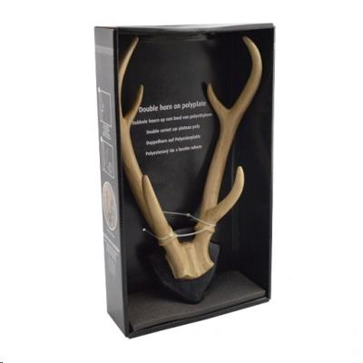
Picture | Item code | Description | Extra information | Restriction | Stock | Sales price EXW | Retail price | Barcode | Quantity PU | Quantity pallet | Pallet | Origin | Customs code | Item weight | Languages on package | Group
 | 15646 | Decoration Antlers 34,5 cm |  |  | 2334 | 1.5 | 17.99 | 8718964008469 | 6 | 210 | Europallet 120x80 | CN | 3926400000 | 819 | gb nl | Decoration Antlers 34

